Foglio1
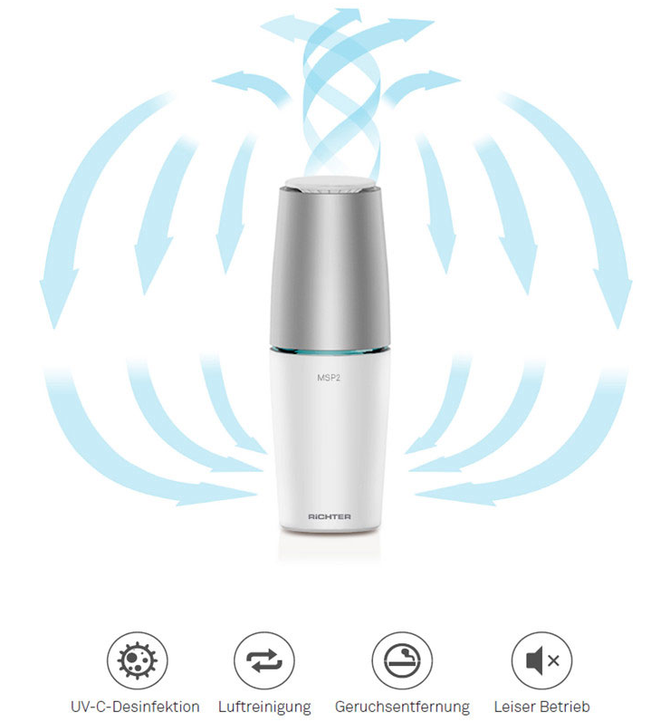
 | Brand | Model | Description | QTY | Retail
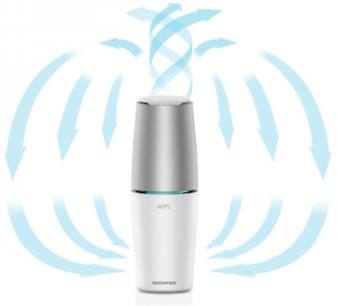 | RiCHTER | MSP1 | Portbale UV Air Purifier Tragbarer UV Luftreiniger USB powered | 1,200 | € 119.00 | https://www.breeze24.com/lueftungstechnik/luftreiniger/msp1-uv-c-tragbarer-luftreiniger-mit-usb-anschluss
 | RiCHTER | MSP2 | Portbale UV Air Purifier Tragbarer UV Luftreiniger 220V Plug | 720 | € 119.00
 |  |  |  | 1,920

